Contracts_Screenshot
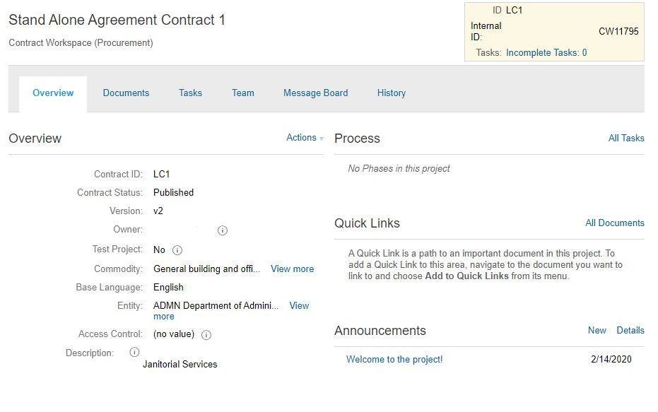
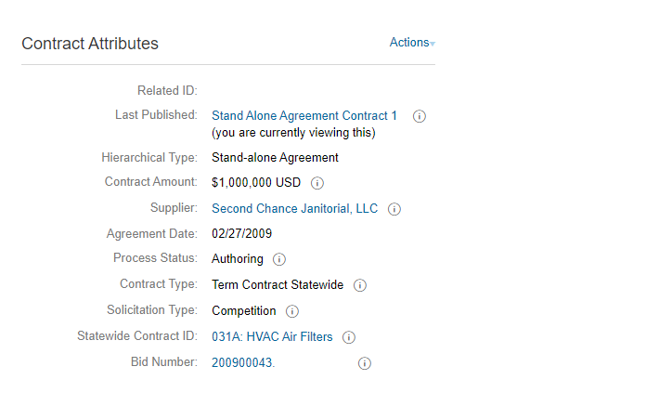
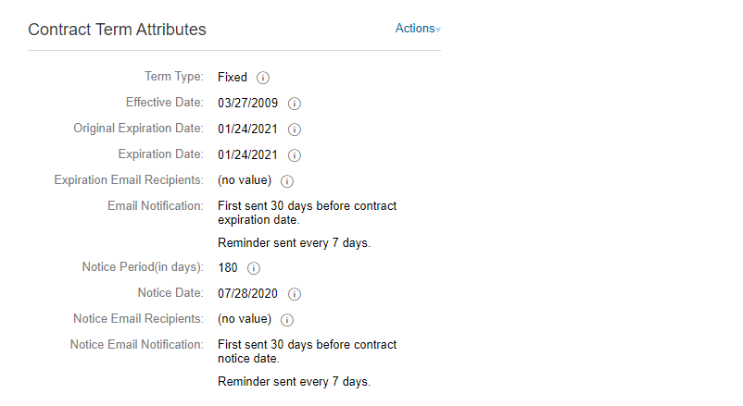
Owner | Title | ContractId | Description | Supplier | HierarchicalType | Amount | Commodity | Client | ExpirationTermType | AgreementDate | EffectiveDate | ExpirationDate | NoticePeriod | NoticeEmailRecipients | ExpiringEmailRecipients | RelatedId | ContractStatus | cus_ContractType | cus_SolicitationType | cus_StatewideContractID | cus_AgencyContractID | cus_BidNumber
testuser1 | Stand Alone Agreement Contract 1 | LC1 | Janitorial Services | 364947 | StandAlone | 1000000 | unspsc:761115 | ADMN | Fixed | 2009-02-27 | 2009-03-27 | 2021-01-24 | 180 | testuser1 | testuser2 |  | Published | T | Competition | 031A |  | 200900043
testuser1 | Stand Alone Agreement Contract 2 | LC2 | Janitorial Services | 380574 | StandAlone | 20000 | unspsc:761115 | ADMN | Fixed | 2009-02-28 | 2009-04-27 | 2021-01-25 | 180 | testuser1 | testuser2 |  | Published | T | Competition | 045A |  | 200900044
testuser1 | Stand Alone Agreement Contract 3 | LC3 | Janitorial Services | 51272 | StandAlone | 20000 | unspsc:761115 | ADMN | Fixed | 2009-03-01 | 2009-04-27 | 2021-01-26 | 180 | testuser1 | testuser2 |  | Published | A | Competition | 060A |  | 200900046
testuser1 | Stand Alone Agreement Contract 4 | LC4 | Art Supplies | 341848 | StandAlone | 500000 | unspsc:601212 | ADMN | Fixed | 2009-03-02 | 2009-05-01 | 2021-01-27 | 180 | testuser1 | testuser2 |  | Published | Z | Waiver of Competition | 065A |  | 200900047
testuser1 | Stand Alone Agreement Contract 5 | LC5 | HVAC Filters | 334483 | StandAlone | 5000000 | unspsc:721512 | ADMN | Fixed | 2009-03-03 | 2009-05-01 | 2021-01-28 | 180 | testuser1 | testuser2 |  | Published | Z | Waiver of Competition | 071A |  | 200900048

ContractDocuments_Screenshot
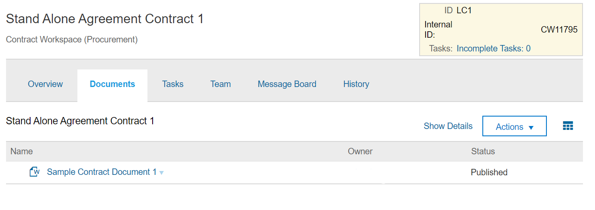
ContractId | File | Title | Folder | Owner | Status
LC1 | Sample Contract Document 1.doc | Sample Contract Document 1 |  | testuser1 | Published
LC2 | Sample Contract Document 2.doc | Sample Contract Document 2 |  | testuser1 | Published
LC3 | Sample Contract Document 3.doc | Sample Contract Document 3 |  | testuser1 | Published
LC4 | Sample Contract Document 4.doc | Sample Contract Document 4 |  | testuser1 | Published
LC5 | Sample Contract Document 5.doc | Sample Contract Document 5 |  | testuser1 | Published

